Sheet1
TestByte |  | Size | Field Contents
Start | End
1 | 1 | 1 | Control | Sequence
2 | 2 | 1 | Type = 13 | Subtype = 03
3 | 4 | 2 | Checksum
5 | 5 | 1 | Statistics[1] |  | 01 |  | 1 | Keyboard entry
6 | 7 | 2 | Option Flags |  | 00 00 |  | 0
8 | 8 + n - 1 | n | Option Data[2] |  | N | N | N | N
8 + n | 8 + n | 1 | Class (see below) |  | 02 |  | 2 | 02=Store
9 + n | 9 + n | 1 | Subclass (not used) |  | 00
10 + n | 13 + n | 4 | Retailer number |  | 00 04 93 E6 |  | 300006 | 0300006
14 + n | 15 + n | 2 | Pass number (not used) |  | 00 00
16 + n | 17 + n | 2 | Game Number[3] |  | 00 00
18 + n | 21 + n | 4 | Free Space |  | 00 00 00 00
22 + n | 23 + n | 2 | Continuation Game Number |  | 01 AC |  |  | 428

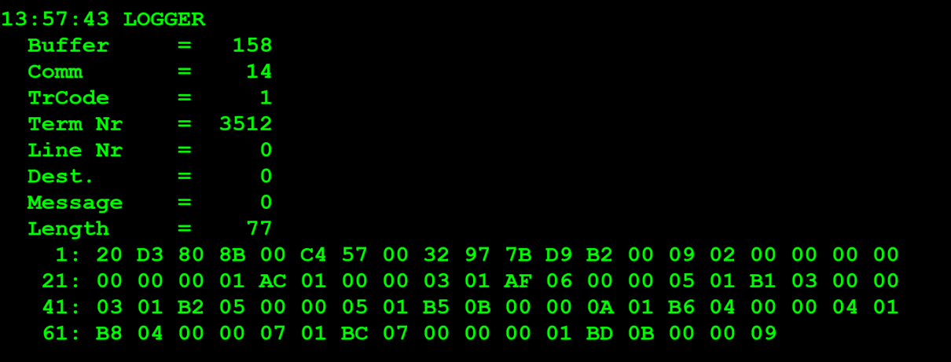
TestByte |  | Size | Field Contents
Start | End
1 | 1 | 1 | Control | Sequence | 20
2 | 2 | 1 | Type = 13 | Subtype = 03 | D3
3 | 4 | 2 | Checksum
5 | 7 | 3 | Time Stamp (seconds since midnight)
8 | 9 | 2 | Julian Date (3 digits, unsigned)
10 | 12 | 3 | External Serial Number (8 digits, unsigned)
13 | 13 | 1 | Check Digits (3 digits, unsigned)
14 | 14 | 1 | Result Code 1 (see below)
15 | 15 | 1 | Result Code 2 (see below)
16 | 16 | 1 | Class (see below)
17 | 17 | 1 | "More" Flag (0 = no, 1 = yes)
18 | 21 | 4 | Next pack number (not used)
22 | 23 | 2 | Continuation game number
24 | 25 | 2 | Game Number
26 | 26 | 1 | On Order
27 | 27 | 1 | In Transit
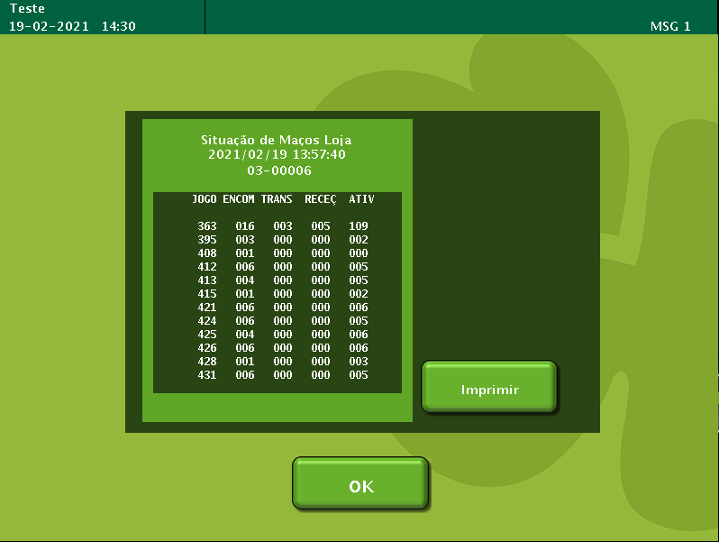
28 | 28 | 1 | On Hand
29 | 29 | 1 | Active

